Fig. 7B
Fig. 7B
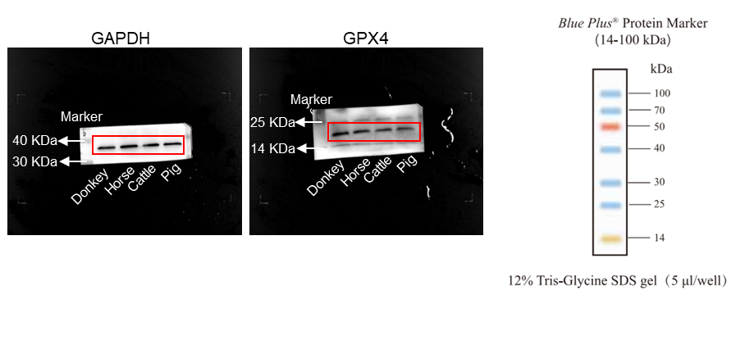

 | GPX4/GAPDH
Group | Donkey | Horse | Cattle | Pig
Relative protein levels | 0.82479 | 0.544779 | 0.461351 | 0.803725
 | 0.758917 | 0.556646 | 0.550858 | 0.857812
 | 1.263013 | 0.441198 | 0.494038 | 0.419406
 | 1.145961 | 0.697396 | 0.384555 | 0.590931
 | 1.007319 | 0.653725 | 0.656157 | 0.761701
P-value |  | Donkey vs. Horse | Donkey vs. Cattle | Donkey vs. Pig
 |  | 0.003 | 0.0007 | 0.0273

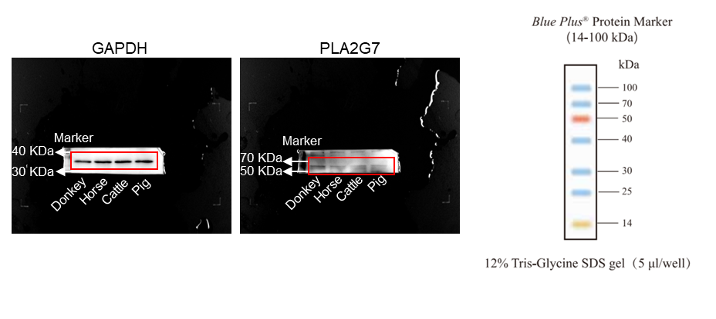

 | PLA2G7/GAPDH
Group | Donkey | Horse | Cattle | Pig
Relative protein levels | 1.221115 | 0.30659 | 0.516893 | 0.27173
 | 0.878379 | 0.474027 | 0.681343 | 0.690986
 | 0.964868 | 0.631838 | 0.816561 | 0.828093
 | 0.945912 | 0.547896 | 0.344717 | 0.625945
 | 0.989725 | 0.541302 | 0.517144 | 0.427247
P-value |  | Donkey vs. Horse | Donkey vs. Cattle | Donkey vs. Pig
 |  | 0.0012 | 0.0051 | 0.0045

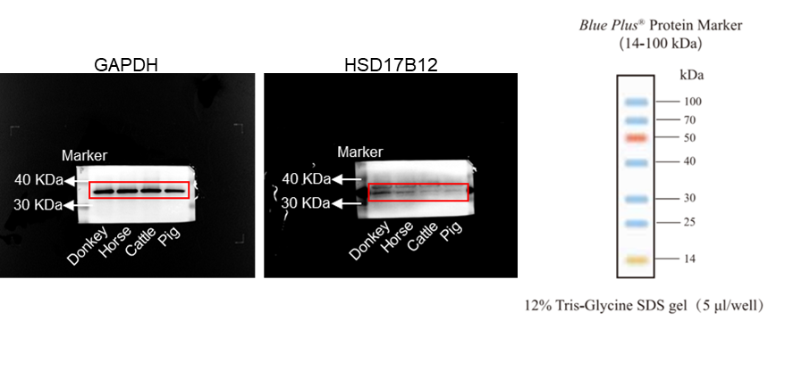

 | HSD17B12/GAPDH
Group | Donkey | Horse | Cattle | Pig
Relative protein levels | 0.629129 | 0.417175 | 0.464865 | 0.48628
 | 0.812262 | 0.708697 | 0.544357 | 0.68673
 | 1.110646 | 0.674141 | 0.690155 | 0.564647
 | 1.08697 | 0.572721 | 0.698715 | 0.508306
 | 1.360993 | 0.388252 | 0.31986 | 0.783819
P-value |  | Donkey vs. Horse | Donkey vs. Cattle | Donkey vs. Pig
 |  | 0.0087 | 0.0075 | 0.0215

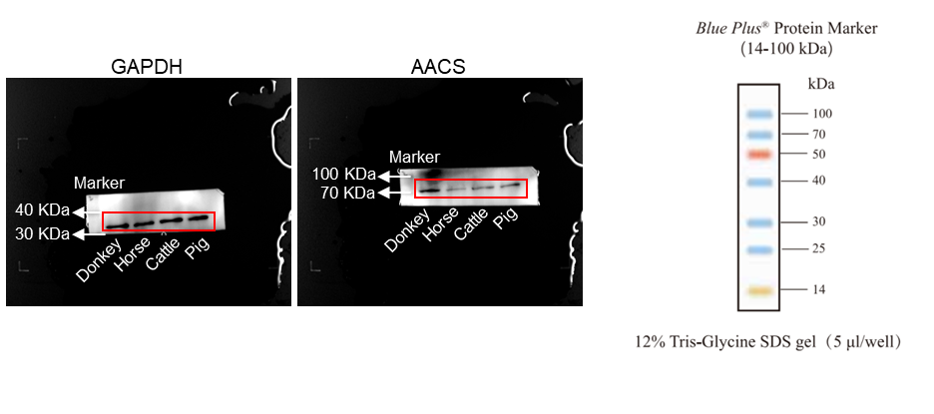

 | AACS/GAPDH
Group | Donkey | Horse | Cattle | Pig
Relative protein levels | 0.840274 | 0.86507 | 0.458716 | 0.322182
 | 0.656743 | 0.40524 | 0.372817 | 0.75077
 | 0.859814 | 0.837544 | 0.653253 | 0.620058
 | 1.255589 | 0.37409 | 0.475512 | 0.474358
 | 1.387581 | 0.448955 | 0.668279 | 0.535171
P-value |  | Donkey vs. Horse | Donkey vs. Cattle | Donkey vs. Pig
 |  | 0.0419 | 0.0179 | 0.0221

Fig. 7C
Fig. 7C
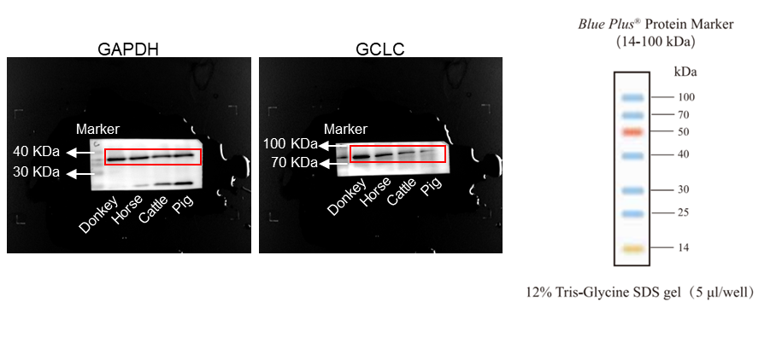

 | GCLC/GAPDH
Group | Donkey | Horse | Cattle | Pig
Relative protein levels | 0.834378 | 0.411551 | 0.491809 | 0.558798
 | 1.081883 | 0.832615 | 0.796959 | 0.486632
 | 0.750772 | 0.593211 | 0.628753 | 0.692841
 | 1.063676 | 0.849895 | 0.774567 | 0.361514
 | 1.26929 | 0.600086 | 0.755668 | 0.538589
P-value |  | Donkey vs. Horse | Donkey vs. Cattle | Donkey vs. Pig
 |  | 0.0213 | 0.0392 | 0.0017

Fig. 7F
Fig. 7F
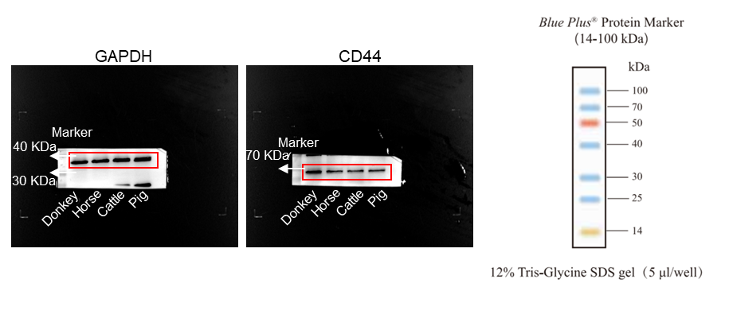

 | CD44/GAPDH
Group | Donkey | Horse | Cattle | Pig
Relative protein levels | 0.619557 | 0.687347 | 0.477759 | 0.519416
 | 0.889805 | 0.703798 | 0.590593 | 0.590682
 | 0.790112 | 0.628971 | 0.545417 | 0.545589
 | 1.44906 | 0.665166 | 0.430217 | 0.330235
 | 1.251466 | 0.548624 | 0.410003 | 0.5203
P-value |  | Donkey vs. Horse | Donkey vs. Cattle | Donkey vs. Pig
 |  | 0.0362 | 0.0024 | 0.0029

